Guidance to team
Guidance to assessment team
1 | Assessment monitoring tab | The assessment monitoring tab includes the checklist to monitor the activities related to planning, field visits, and reporting of the capacity assessment by the third party service provider.
2 | Assessment summary tab | The assessment summary tab includes the summary of risk rating and risk scores of all the nine assessment areas. The risk rating and risk scores are linked with risk rating and risk scores calculated in the “Capacity Assessment Worksheet Tab.” Note: The assessment team are requested not to change the formula and linking of this tab.
3 | Capacity Assessment Worksheet | 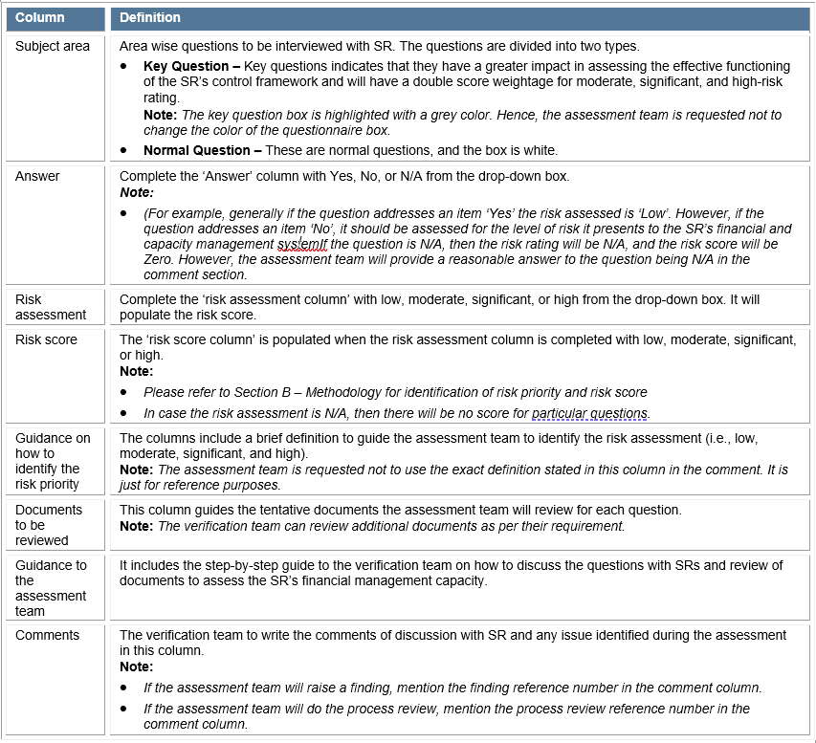 The capacity assessment worksheet tab is the questionnaire on the basis of capacity assessment of the Partner will be carried out. The tab includes following columns: Note: The verification team shall hide the column G to L when attaching the report in the capacity assessment report.
4 | Partner Pre-requisites | The SR CAT has been updated to include Anti-Money Laundering (AMF)/Counter Financing Terrorism (CTF) requirements, including the required counterparty information under the tab partner pre-requisite. The answer can be selected from a dropdown menu. Requirement for the counterparty to submit a self-certification have also been added. This requirement only applies to NGO, CSO that are not recruited through a procurement process. Under question 3 of the partner pre-requisite, there is a link to the form to be signed by the counterparty for which the assignement is conducted. For NGO and CSO/CBO recruited through a procurement process, there is a requirement to submit the Self Certification, as part of the application process, in line with in line with UNDP Operational Guide for the Implementation of the UNDP Anti-Money Laundering and Countering the Financing of Terrorism Policy ("AML/CFT Policy").
5 | Process review tab | The capacity assessment team shall collect one sample document to review the control for each process outlined below: - Reporting and Monitoring - Cash and Bank - Payment and Supplies - Human Resource - Travel cost - Training cost - Fuel Cost - Procurement - Fixed Assets - The assessment team can add any other process review as required. - The team should review the control stated in each section of this tab and indicate if there is proper control or not with “YES” or “NO”. - In case of an issue noted, the assessment team shall provide a brief of the issue in the comment column of this tab. The issue shall also be noted in the comment section of the “Capacity Assessment Worksheet Tab.” Note: The referenceof the process review of specific questions is mentioned in the Comment Column of the “Capacity Assessment Worksheet Tab.”
6 | Follow up of previous audit reports | The verification team will collect the past three years’ annual reports & management letters for donor audit, internal audit, and external audits are undertaken for the SR and prepare the list of significant and ineligible findings raised in these reports. Note: The list of significant findings should be prepared for question ref number 3.5, 5.41, 5.43, and 6.12.
7 | Findings tab | 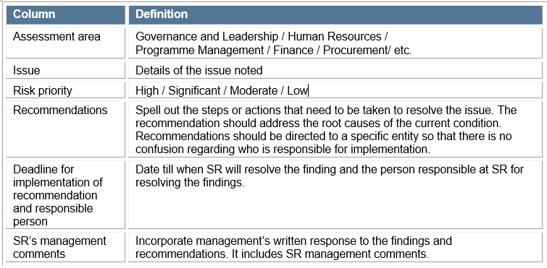 The finding tab includes following columns:
8 | Template – Key Staffs | The assessment team will prepare the template of SR’s key programme and finance staff, which includes details such as name, job title, job descriptions, educational background, professional experience. Note: The template of Key staffs should be prepared for question ref number 2.2.
9 | Template – List of person met | The assessment team will prepare the list of the person met and interviewed during the capacity assessment visit with details such as name, position, location, and contact.

Other points to be noted while working on the Microsoft excel capacity assessment tool
1 | The assessment team should not change any formula and linking in the excel sheet.
2 | Press "F7" on capacity assessment worksheet tab to check the spelling.
3 | Ensure findings raised in the report reconciles the finding noted by the assessment team in the “capacity assessment worksheet tab.”
4 | Adjust row height (and not column width) if more space is needed. Margins should be 0.5mm on all sides.
5 | Check that page breaks are still correct (at the top of each section, and elsewhere to prevent awkward breaks) by clicking "print preview."
6 | Ensure capacity assessment worksheet and process review tabs are properly filled, and the reference number is properly linked.
7 | Ensure the assessment monitoring tab is properly filled.

